sync_photos
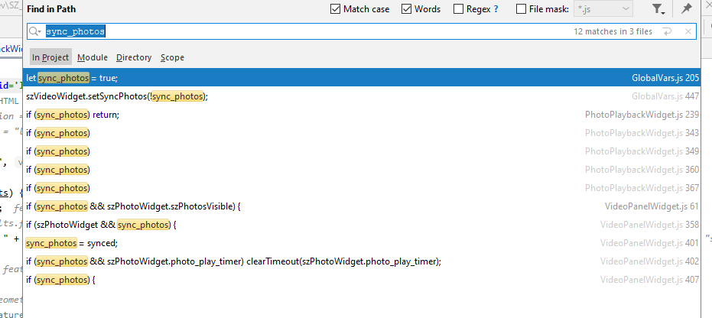

Replace with (?):
szVideoWidget.syncTo = szPhotoWidget
szPhotoWidget.syncFrom = szVideoWidget

screen captures
